Rates
Replace this text with vendor name in the first module.
Code | Availability Definition
Y | Functionality is provided out of the box through the completion of a task associated with a routine configurable area that includes, but is not limited to, user-defined fields, delivered or configurable workflows, alerts or notifications, standard import/export, table driven setups and standard reports with no changes. These configuration areas will not be affected by a future upgrade. The proposed services include implementation and training on this functionality, unless specifically excluded in the Statement of Work, as part of the deployment of the solution.
R | Functionality is provided through reports generated using proposed Reporting Tools.
T | Functionality is provided by proposed third party functionality (i.e., third party is defined as a separate software vendor from the primary software vendor). The pricing of all third party products that provide this functionality MUST be included in the cost proposal.
M | Functionality is provided through customization to the application, including creation of a new workflow or development of a custom interface, that may have an impact on future upgradability.
F | Functionality is provided through a future general availability (GA) release that is scheduled to occur within 1 year of the proposal response.
N | Functionality is not provided.
Replace this text with the primary product name(s) which satisfy requirements.
4.9 - Rates |  |  | Replace this text with the primary product name(s) which satisfy requirements.
Objective: The City's current rate structure includes complex billing calculations. Ensuring these billing calculation are satisfied by a new system is critical to meeting the City's obligations billing its customers. At a minimum, short-listed vendors will be required to demonstrate exactly how the proposed solution can support the required billing calculations below. As such, any response type other than "Yes" requires an explanation in the comments column describing how the vendor proposes to accommodate the specific billing calculation type.
Number | Application Requirements | Priority | Availability | Cost | Required Product(s) | Comments
1 | General Requirements |  |  |  | N/A
2 | The system provides multiple rate schedules based upon service type, customer type (e.g. residential/commercial) and meter size. | R |  |  | N/A
3 | Ability to store data tables to calculate the variables listed in the remainder of the specifications, as necessary. | R |  |  | N/A
4 | System provides an environment to test rate changes and adjustments. | R |  |  | N/A
5 | Water Rates |  |  |  | N/A
6 | Ability to calculate and set a monthly water budget based on multi-variable calculation. | R |  |  | N/A
7 | Ability to round monthly water budget allocations to the next highest integer. | R |  |  | N/A
$$Water budget=\left(Indoor+Outdoor\right)∗M_{drought}$$
8 | Ability to calculate an overall water budget using the following formula: | R |  |  | N/A
9 | Definitions: • Water budget: Total water budget • Indoor: Indoor water budget • Outdoor: Outdoor water budget. • Mdrought: Drought reduction factor mandated by council. If the mandated reduction is 10%, this variable would be 90%. | - |  |  | N/A
$$Indoor= PPH∗\sum_{i=Previous read date+1}^{Meter read date}{∗{GPCD}_{i}}$$
10 | Ability to allocate indoor water budgets(IWB) for single family residential customers based on the formula below, where this calculation is done daily and added up for all billed days (see example below): | R |  |  | N/A
11 | Definitions: • PPH: Persons per household • Days of Service: The number of days starting on the day after the previous meter read date through the day of the current meter read. • GPCDi: Gallons per capita per day, calculated using the equation below. | - |  |  | N/A
$${GPCD}_{i}=\left({GPCD}_{base} ∗ M_{GPCD,i}\right)+A_{GPCD,i}$$
12 | Ability to calculate GPCDi using the following formula: | R |  |  | N/A
13 | Definitions: • GPCDi: Gallons per capita per day (for use in the indoor water budget) • GPCDbase: Gallons per capita per day base, which is the amount allocated to all customers • MGPCD,i: Variance multiplier manually applied to specific customers, defaults to 1. • AGPCD,i: Variance addition manually applied to specific customers, defaults to 0. | - |  |  | N/A
$$Outdoor= IA ∗\sum_{i=Previous read date+1}^{Meter read date}{∗{IWR}_{i}}$$
14 | Ability to allocate outdoor water budgets (OWB) for single family residential customers based on the formula below, where this calculation is done daily and added up for all billed days (see example below): | R |  |  | N/A
15 | Definitions: • IA: Irrigable area of the property, measured in sqft. • Days of Service: The number of days starting on the day after the previous meter read date through the day of the current meter read. • IWRi: Irrigation water requirement, a daily value reflecting the water needs of the lawn that is calculated using the formula below. | - |  |  | N/A
$${IWR}_{i}=\left({IWR}_{base} ∗ M_{IWR,i}\right)+A_{IWR,i}$$
16 | Ability to calculate IWRi using the following formula: | D |  |  | N/A
17 | Definitions: • IWRbase: Irrigation water requirement, calculated using the formula below. • MIWR,i: Variance multiplier. • AIWR,i: Variance addition. | - |  |  | N/A
$${IWR}_{base}= \frac{\left({ET}_{grass}∗K_{c,grass}\right)−P }{DU}$$
18 | Ability to calculate IWRbase using the following formula: | D |  |  | N/A
19 | Definitions: • ETgrass: evapotranspiration rate of grass (inches, daily). • KCgrass: average crop coefficient for grass that reflects water needs and use for grass. • P: precipitation (inches, daily). • DU: distribution uniformity of the irrigation system that reflects the irrigation system efficiency. | - |  |  | N/A
20 | Ability to use the following variable types to calculate the formulas above: | - |  |  | N/A
21 | A variable that is the same for all customers and may change infrequently, with the updated value still applying to all customers. These include: • GPCDbase: Currently set at 55, but will change over time. • DU: Currently set at 0.7, but may change over time. • Mdrought: Drought reduction factor. Currently set at 1, but may change over time. | R |  |  | N/A
22 | A variable that default to the same value for all customers, but can be manually changed on a customer-by-customer basis. This includes the following examples: • PPH: Defaults to a value of 3. Can be manually changed to another whole number greater than 3. • MIWR,i/MGPCD: Defaults to 1 for all customers, but may be changed for a customer. • AIWR,i/AGPCD: Defaults to 0 for all customers, but may be changed for a customer. | R |  |  | N/A
23 | A variable that is calculated using a formula, then is applied for all customers with the variable: • IWR: value calculated using the formula above and is the same for all customers. | R |  |  | N/A
24 | A variable that is calculated using a formula, and will likely be the same for most customers, although could change based on variances: • IWRi • GPCDi | R |  |  | N/A
25 | Days of service: automatically calculated based on meter read dates | R |  |  | N/A
26 | Variables that are input manually, uploaded, or entered through an interface with an external organization, are unique values each day, and will apply to all customers with this variable: • ETgrass: reported daily by Northern Water • Kc,grass: based on the crop coefficient curve for bluegrass • P: reported daily by Northern Water | R |  |  | N/A
27 | A variable that is unique to each property and stored in its information: • IA: irrigable area for that property in sq. ft. | R |  |  | N/A
$$Indoor= 4∗33∗55=7,260 gallons$$
28 | Example 1 - Indoor A - Default/Common Situation: For a household with four residents living in a single family home, billed from August 2 to September 3, during normal weather conditions. | - |  |  | N/A
$$Indoor= 4∗33∗\left[\left(55∗3\right)+2\right]=22,044 gallons$$
29 | Example 2 - Indoor B - Unique Situation: For single meter serving a household with four residents, which was read on August 2 and September 3, with a MGPCD,i of 3 and a AGPCD,i of 2. | - |  |  | N/A
30 | 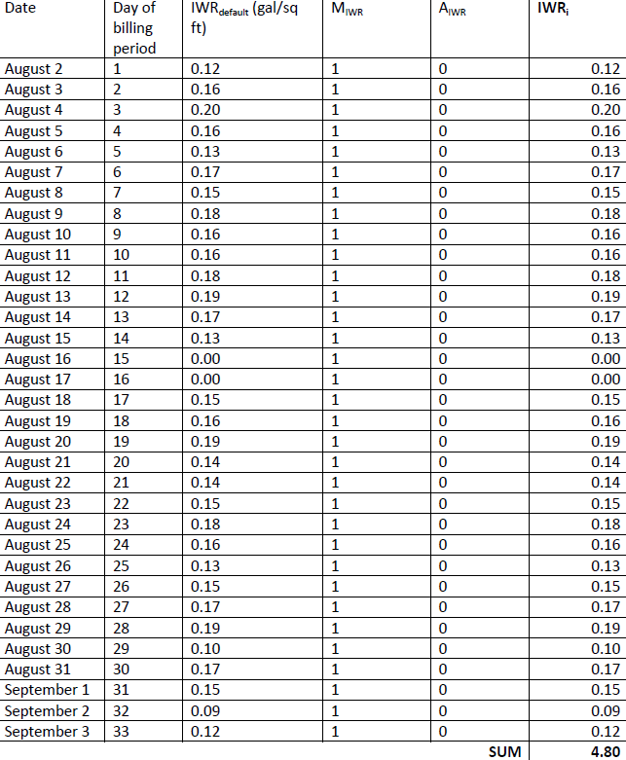 Data for Outdoor Example 3 | - |  |  | N/A
$$Outdoor=3248∗4.8=1,590.4=1591 gallons (rounded up)$$
31 | Example 3 - Outdoor A - Normal/Common Condition: For a household with a 3,248 sq. ft. irrigable area, for a period between August 1 and September 3: | - |  |  | N/A
32 | 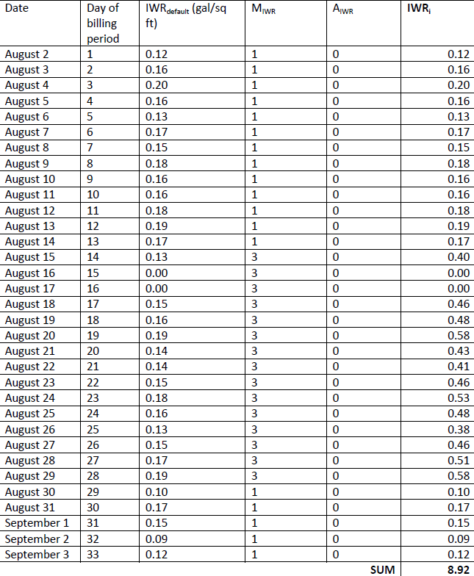 Data for Outdoor Example 4 | - |  |  | N/A
$$Outdoor=3248∗8.92=28,972.16=28,973 gallons (rounded)$$
33 | Example 4 - Outdoor B - Unique Condition: For a household with a measured 3,248 sq. ft. of irrigable area, which was read on August 2 and September 3. This household is installing sod and receives a variance from August 15-30, so MIWR=3 during that time period. | - |  |  | N/A
34 | Ability to manually disable water budgets for some customers. | R |  |  | N/A
35 | Ability to support a flat-rate charge based on meter size. | R |  |  | N/A
36 | Ability to support a single-family residential rate with five tiers based on each customer's unique Water Budgets, as follows: • Tier 1: Usage= 0-100% of Water Budget (Indoor + outdoor) • Tier 2: Usage= 100%-130% of Water Budget • Tier 3: Usage= 130-150% of Water Budget • Tier 4: Usage= 150%+ | R |  |  | N/A
37 | Example 5: For a single-family residential account with a water budget of 24kgal and consumption of 38kgal: | - |  |  | N/A
38 | Ability for authorized users to modify the number of tiers and amount of usage that will fall into each tier (based on a percentage of the customer's water budget) without vendor intervention. For example, changing tier 1 to be 0-75% of water budget, or adding a tier 5 that is 175%+ of the water budget. | R |  |  | N/A
39 | Ability to calculate the following water rates: | - |  |  | N/A
40 | Monthly base/flat rate service charge, plus a volumetric consumption charge | R |  |  | N/A
41 | Ability to support the City's raw water rates, where: | - |  |  | N/A
42 | Ability to track the allotment of raw water available for each customer. | R |  |  | N/A
43 | Ability to compare each customer's consumption to their annual allotment and charge a volumetric rate for usage above this the monthly portion of this allotment. | R |  |  | N/A
44 | Ability to perform the above items, while combining the usage from multiple locations/accounts into this consumption calculation. | R |  |  | N/A
45 | Ability to set an end date to a modified variable in a customer’s rate calculation (e.g. persons per household) | R |  |  | N/A
46 | Ability to require approvals for changed variables over a certain amount (e.g. over 5 persons per household). | R |  |  | N/A
47 | Ability to discount or write-off a user-defined percentage of a customer bill on a recurring basis, while still tracking the actual consumption (P1). | R |  |  | N/A
48 | Ability to discount or write-off a user-defined percentage of a customer's bill for an annually recurring user-defined date range (e.g. June 1 to August 1), while still tracking the actual consumption (P1). | R |  |  | N/A
49 | Ability to import a set of meters for which the billed amount must be 0, however consumption must still be tracked (S2). | R |  |  | N/A
50 | Sewer/Wastewater Rates |  |  |  | N/A
51 | Ability to support a fixed wastewater rate based on customer type. | R |  |  | N/A
52 | Ability to support a volumetric wastewater rate based on water usage ($/ccf) and customer type. | R |  |  | N/A
53 | Ability to set a maximum amount of consumption (i.e. the winter quarter ceiling) up to which a customer type is billed, based on the customer's previous February usage. If no previous February usage exists, this maximum must default to a user-defined number (e.g. 3000) | R |  |  | N/A
54 | Ability to calculate the winter quarter ceiling using the usage from two accounts. | R |  |  | N/A
55 | Ability to calculate the winter quarter ceiling using the usage from two meters. | R |  |  | N/A
56 | Ability to calculate winter sewer average on a different basis by customer types (e.g. residential customers are previous February's usage, daycare customers are the average of the previous 5 years' February usage). | R |  |  | N/A
57 | Ability to input usage of specific solids and charge rates based on the amount of each item. | R |  |  | N/A
58 | Stormwater Rates |  |  |  | N/A
59 | Ability for staff to enter the area (sq. ft.) of various surface types and have the system use pre-defined runoff coefficients to calculate a weighted runoff coefficient for the customer. | R |  |  | N/A
60 | Example Weighted run-off coefficient=816/1600=0.51 | - |  |  | N/A
61 | Ability to calculate a stormwater charge that is calculated by multiplying the weighted run-off coefficient by the total lot area (sq. ft.) by the stormwater rate ($/sq. ft.). | R |  |  | N/A
62 | Ability to include a base rate charge for stormwater customers. | R |  |  | N/A
63 | Other Rate Requirements |  |  |  | N/A
64 | Ability to add miscellaneous flat rate charges (i.e. shut off, initiation fee, water pressure check, turn on, meter tampering, etc.) | R |  |  | N/A
65 | Ability to support rentals of water meters on a weekly or daily basis. | R |  |  | N/A
66 | Ability to bill for broadband services. | D |  |  | N/A
67 | Ability to bill for refuse services. | D |  |  | N/A
68 | Ability to support rates for the following: | - |  |  | N/A
69 | Proration of flat rate charges only on move-in and move-out months | R |  |  | N/A
70 | Flat rate based on meter size | R |  |  | N/A
71 | User Defined Miscellaneous Fees (i.e. turn off, turn on, nsf, tampering, etc.) | R |  |  | N/A
72 | Late Payment Penalty | R |  |  | N/A
73 | Ability to add, delete, or suspend (for a user-defined time period) and itemize service charges and/or any miscellaneous fees to a utility bill. | R |  |  | N/A
74 | Ability to create, edit and revise rate tables, tracking history of prior rate tables, including effective dates. | R |  |  | N/A
75 | Ability to determine and track which services (i.e. water & base charges only) will have a surcharge | R |  |  | N/A
76 | Ability to have each specific line item charge go to a unique revenue account in the GL rather than grouping this with the service that is being charged. | R |  |  | N/A
77 | Ability to allocate charges to multiple general ledger accounts on a percentage basis (e.g. 20% goes to GL account #1, 80% goes to GL account #2). | R |  |  | N/A
78 | Ability to set-up a rate structure with multiple future rates and their effective dates | R |  |  | N/A
79 | Rebates |  |  |  | N/A
80 | Ability to create discount types that are paid out only through an AP check and are not applied to the customer's account. | R |  |  | N/A
81 | Ability to configure customer rebates as dependent, where a customer cannot get rebate B unless they have already received rebate A. | R |  |  | N/A
82 | System supports providing customer rebates that are: | - |  |  | N/A
83 | A percentage off the total amount paid for an approved item (e.g. 50% off) up to a maximum amount based on the approved cost | D |  |  | N/A
84 | A percentage off up to a maximum (e.g. 30% up to $900) | D |  |  | N/A
85 | Ability to limit the frequency which a customer can receive a given rebate type, by rebate type (e.g. once every 5 years for rebate A, once every 3 years for rebate B). | D |  |  | N/A
86 | Ability to limit rebates to customers that are in good standing. | R |  |  | N/A

